Instructions
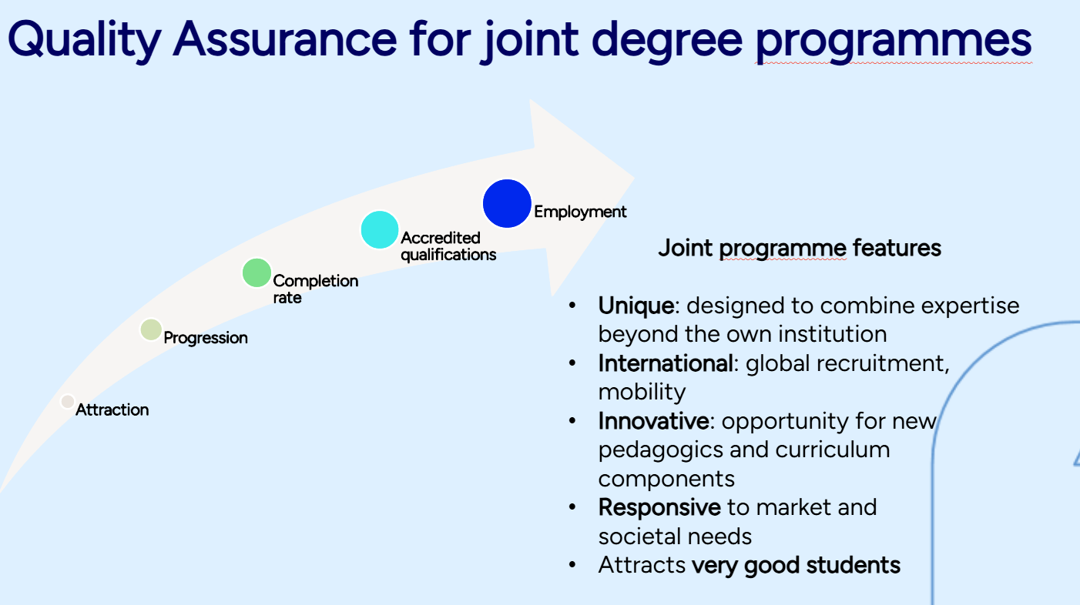


Unite! model for establishing a Quality Assurance and Evaluation Plan for a joint programme

Instructions
The purpose of this document is to serve as a guide for developing a quality assurance (QA) plan for the partnership responsible for delivering a joint programme (JP). To ensure the effectiveness of the QA plan, its actions should be integrated into the daily management of the JP, using this document as a structured tool for planning and acting in alignment with agreed procedures.
Adapt this document to the specific needs of your joint programme. Remove elements that are not relevant to your QA approach, and add any components that will strengthen the JP’s reputation as an attractive, high‑quality educational offer delivered through a sustainable and well‑functioning partnership.

The PDCA cycle (plan - do - check - act) is included as reference.
Using the DPCA cycle to develop and maintain the key features of the joint programme will help ensure a continuous quality journey—from attracting qualified and motivated students to building an engaged alumni community with strong employment outcomes and career progression.

/Karin Knutsson, KTH
March 2026

Fundamental QA aspects
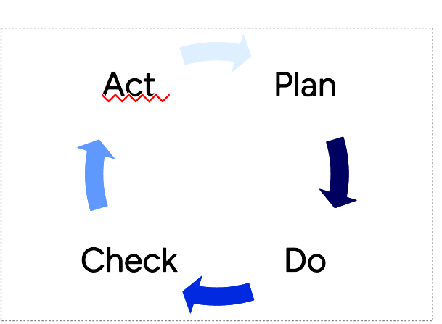
Quality Assurance and Evaluation Plan

PDCA CYCLE - CHECK of the fundamental quality aspects and PLAN for actions, if needed

Self-evaluation form

Fundamental Quality Aspects to be in place when delivering a joint programme

 | In place (yes/no) | Comment | Repository for documents, if applicable | Action required | Partner responsible | Due date
Item

Fundamental quality assurance indicators
Partners comply with the ESG standards.
Existing accreditation for awarded degrees.
Signed Partnership agreement* see specifics below.
Jointly defined eligibility requirements for program admission.
Automatic recognition of courses taken at the partner university/ies.
Joint application process.
Student representation in JP steering committee.
Iterating process for student and staff feedback (collection, action plan, implementation, communication of changes made).
System for collecting statistics (applications, registrations, degrees awarded, future employment).
Sustainable student fee structure.

Efficiency of the partnership
Institutional support available - top management and administrative involvement.
Full engagement and responsibilities divided among the partners.
Plan for involvement of associate partners.
Dynamic JP website.
Prerequisites ensuring the academic background needed for the studies.
Efficient mobility tracks, taking the various academic calendars into consideration.
Agreed process for changes to the course list.
Consistent work load and requirements for the Master's thesis/ degree project.
Elements to ensure JP belonging (kick-off, joint workshops, joint seminars for thesis presentations etc).
Efficient delivery of double or joint degree certificates.
If joint degree certificate, template available.
Alumni network.

JP specifics
Uniqueness of the programme design / university expertise.
Innovative elements.
Introduction to culture and language.
Alignment with criteria for European degree label (%).

The partnership agreement covers... (see guideline below)
a. Rights and responsibilities of each partner.
b. The different management bodies in place.
c. The duration/revision / amendment / termination timetable and procedures.
d. The settlement of disputes and applicable laws.
e. Information about the financial management and funding support situation.
f. Information about decision-making, procedures and rules applicable.
g. Information about the interaction between the partners, including a structure for change in the curriculum.
h. Process of personal data under the Agreement in compliance with applicable EU and national law on data protection.
i. Regulation for leave of absence and, if applicable, last date to graduate from the joint programme.

Links
ESG standards
https://www.enqa.eu/esg-standards-and-guidelines-for-quality-assurance-in-the-european-higher-education-area/

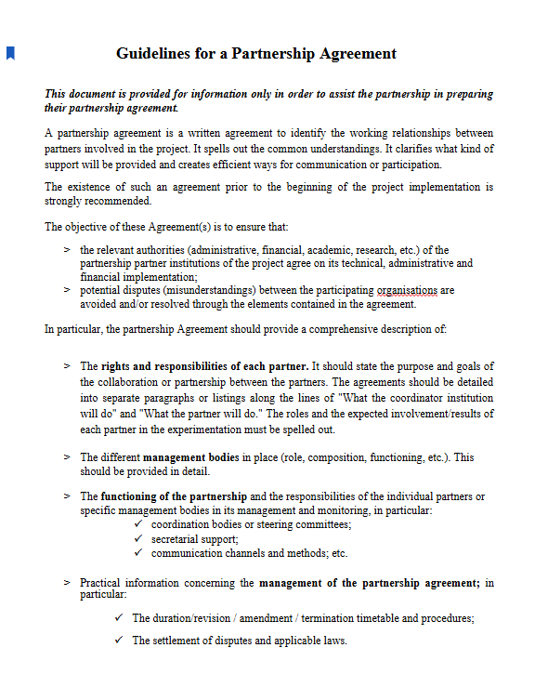
 | From Erasmus Mundus

/Karin Knutsson, KTH Dec 2025

